Table Info
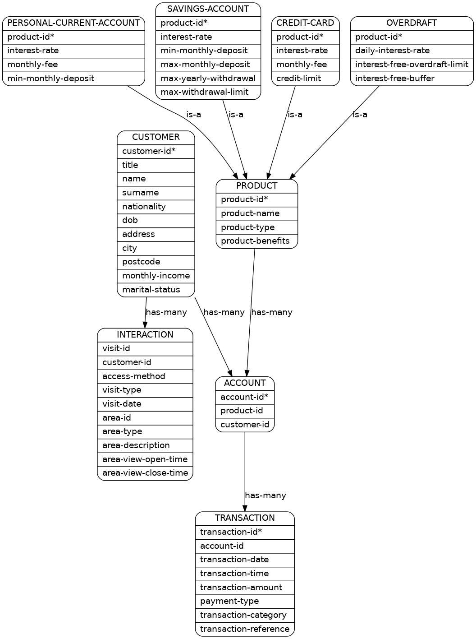
Tables

In the graph below, each element represents a table (like PRODUCT or ACCOUNT).
Each table is a set of points (the points are not shown in the graph).
Each point contains several fields (whose names are listed under the table's name).
Each field of a point contains some value (not shown in the graph).
A field is "unique" (with respect to a certain table) if it is listed with an asterisk "\*".
No two values of a unique field can be the same.

Constraints

Arrows in the graph represent constraints between tables. If there is no arrow between two tables, then they don't share any fields with the same name.

T1 is-a T2

Each point in T1 must map to a unique point in T2 (identified by T1's unique field).

For example:

a credit card is a product.
An overdraft is a product.

T1 has-many T2

Each point in T1 must map to a set of points in T2 (identified by T1's unique field). T2 is the union of the range of that map.

For example:

There can be several accounts of the same product.
An ACCOUNT can have several transactions.

